Scenario Policies
Scenario 1:
 | Low Carbon Fuel Standard (LCFS): |  | Variable | Description | Value | Units | Range | Data Sources
Background: | The LCFS requires a 10% absolute GHG emissions reduction from diesel and gasoline fuels by 2020. |  | LG | Landfill gas | 11.26 | kg CO2e/GJ | N/A | CARB. 2014. Table 7. Carbon Intensity Lookup Table for Diesel and Fuels that Substitute for Diesel.
 | Credits are generated for fuels produced with lower than the GHG emission standard. |  | CAFO | CAFO | 13.45 | kg CO2e/GJ | N/A | CARB. 2014. Table 7. Carbon Intensity Lookup Table for Diesel and Fuels that Substitute for Diesel.
 | Credits are traded on the market. |  | DS | Diesel standard in 2020 | 88 | kg CO2e/GJ | N/A | CARB. 2014. LCFS Regulation: Final Rule
LCFS Proposed Implementation: | Included in modeling as a subsidy for CNG based on LCFS credit prices. |  | CP | Credit price | 50 | $/metric ton | 20 to 80 | California's Low Carbon Fuel Standard: Evaluation of the Potential to Meet or Exceed the Standards
 | The LCFS subsidy is implement only directly on CNG as there is a clear direct/indirect benefit. There is likely an effect on electricity as well, but the process is a little less clear when the LCFS is based on grid mixes so we implement it with RIN as it only applies to electricity being used for transportation. |  | LG B | Landfill gas to CNG LCFS benefit or Landfill gas to Elec. LCFS benefit | 3.837 | $/GJ | N/A | Estimated
 | Implemented in 2020 Across the U.S. in the form of a "subsidy" from the credit. |  | CAFO B | CAFO to CNG LCFS benefit or CAFO to Elec. LCFS benefit | 3.7275 | $/GJ | N/A | Estimated
Equations: | B = ((DS - LG))/1,000 ∗ CP
 | B = ((DS - CAFO))/1,000 ∗ CP

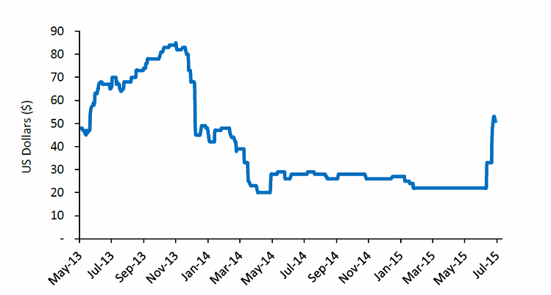
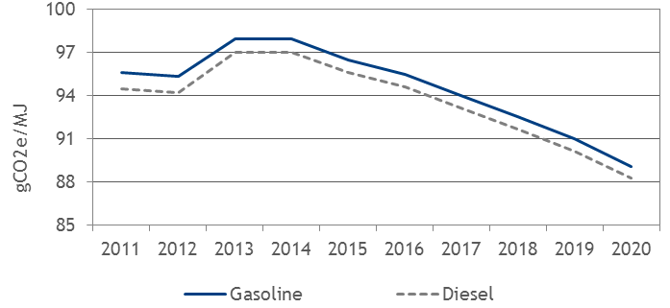

 |  |  |  |  |  |  | 1.75
 |  |  |  |  |  | GJ | 1.846355

 |  |  |  |  |  |  | 88
 |  |  |  |  |  | m3 | 26.8224

 |  |  |  |  |  |  | 25
 |  |  |  |  |  | Mt | 22.679625

 |  |  |  |  |  |  | 5
 |  |  |  |  |  | km | 8.0467

Scenario 2: |  |  |  |  |  |  |  | 111.8470926
 | Landfill Gas Flaring:
Background: | EPA’s general guidelines to install gas collection and flaring equipment for landfills with a capacity >2.5 million metric tons. - Approximation based on the regulation of NMVOCs | -----> |  | frac cand to flare | 0 | 0.005 | 0.01 | 0.015 | 0.02 | 0.025 | 0.03 | 0.035 | 0.04 | 0.045 | 0.05
 | California, beginning in 2010, requires installation of gas collection and flaring equipment for landfills with a capacity >450,000 metric tons of waste to control GHG emissions | -----> |  | frac cand to flare | 0 | 0.00625 | 0.0125 | 0.01875 | 0.025 | 0.03125 | 0.0375 | 0.04375 | 0.05 | 0.05625 | 0.0625
Implementation Proposal: | Based on LMOP data, by 2040 about 25% of U.S. candidate landfills that would normally not include flares would need to install flaring technology when using the 450,000 metric tons of waste threshold.
 | Increased the models conversion of candidate landfills to flares by increasing the "frac cand to flares" curve by 25%.

LF Input Meta Data
 | COLOR KEY:
 |  | DATA IS AVAILABLE
 |  | MAYBE DATA IS AVAILABLE (or the data element may not applicable)
 |  | NO DATA
 |  | Not applicable to this variable
 |  | Array Usage |  |  |  |  |  |  |  |  | Data Assessment
Input Type | Variable | LFStatus | LFSize | WasteType | InvestType | Value type | Description | Units | Value | Range | National? | Regional? | Historic? | Source | Data Notes | Next Task | Priority | Responsibility
INITIALIZATION | Candidate | small | inactive | - | - | arrayed constant, initial stock | Landfills that are candidates for WtE projects that do not have flaring systems. | facility | 31 |  | Yes | Yes | Maybe? | LMOP. 2015a |  | Needs 2015 update | LOW | Emily/Ethan
 |  | large | inactive | - | - |  |  |  | 15
 |  | small | active | - | - |  |  |  | 122
 |  | large | active | - | - |  |  |  | 44
 | CNG | small | inactive | - | - | arrayed constant, initial stock | Landfills with a operational CNG WtE projects. | facility | 1 |  | Yes | Yes | Maybe? | LMOP. 2015a | Excluded multiple projects on the same landfill. | Needs 2015 update | LOW | Emily/Ethan
 |  | large | inactive | - | - |  |  |  | 37
 |  | small | active | - | - |  |  |  | 2
 |  | large | active | - | - |  |  |  | 2
 | CNG Dev | small | inactive | - | - | arrayed constant, initial stock | Landfills w/o flaring systems with a CNG WtE project under construction. | facility | 0 |  | Yes | Yes | Maybe? | LMOP. 2015a | Excluded multiple projects on the same landfill. | Needs 2015 update | LOW | Emily/Ethan
 |  | large | inactive | - | - |  |  |  | 0
 |  | small | active | - | - |  |  |  | 0
 |  | large | active | - | - |  |  |  | 0
 | Elec | small | inactive | - | - | arrayed constant, initial stock | Landfills with an operational electricity WtE projects. | facility | 97 |  | Yes | Yes | Maybe? | LMOP. 2015a | Excluded multiple projects on the same landfill. | Needs 2015 update | LOW | Emily/Ethan
 |  | large | inactive | - | - |  |  |  | 216
 |  | small | active | - | - |  |  |  | 55
 |  | large | active | - | - |  |  |  | 70 | 480
 | Elec Dev | small | inactive | - | - | arrayed constant, initial stock | Landfills w/o flaring systems with an electricity WtE projects under construction. | facility | 0 |  | Yes | Yes | Maybe? | LMOP. 2015a | Excluded multiple projects on the same landfill. | Needs 2015 update | LOW | Emily/Ethan
 |  | large | inactive | - | - |  |  |  | 0
 |  | small | active | - | - |  |  |  | 0
 |  | large | active | - | - |  |  |  | 0
 | F to CNG | small | inactive | - | - | arrayed constant, initial stock | Landfills w/ flaring systems with a CNG WtE projects under construction. | facility | 0 |  | Yes | No | No | assumption |  | Find data? | LOW
 |  | large | inactive | - | - |  |  |  | 0
 |  | small | active | - | - |  |  |  | 0
 |  | large | active | - | - |  |  |  | 0
 | F to E | small | inactive | - | - | arrayed constant, initial stock | Landfills w/ flaring systems with an electricity WtE projects under construction. | facility | 0 |  | Yes | No | No | assumption |  | Find data? | LOW
 |  | large | inactive | - | - |  |  |  | 0
 |  | small | active | - | - |  |  |  | 0
 |  | large | active | - | - |  |  |  | 0
 | Flare | small | inactive | - | - | arrayed constant, initial stock | Landfills w/ flaring systems that are candidates for WtE projects. | facility | 0 |  | Yes | Yes | Maybe? | LMOP. 2015a |  | Needs 2015 update | LOW | Emily/Ethan
 |  | large | inactive | - | - |  |  |  | 80
 |  | small | active | - | - |  |  |  | 1
 |  | large | active | - | - |  |  |  | 247
 | Flare Dev | small | inactive | - | - | arrayed constant, initial stock | Candidate landfills with a flaring system under construction. | facility | 0 |  | Yes | No | No | assumption |  | Find data? | LOW
 |  | large | inactive | - | - |  |  |  | 0
 |  | small | active | - | - |  |  |  | 0
 |  | large | active | - | - |  |  |  | 0
 | Potential | small | inactive | - | - | arrayed constant, initial stock | Landfills w/o a WtE project and not classified as candidates for a WtE project by the EPA. | facility | 55 |  | Yes | Yes | Maybe? | LMOP. 2015a |  | Needs 2015 update | LOW | Emily/Ethan
 |  | large | inactive | - | - |  |  |  | 0
 |  | small | active | - | - |  |  |  | 1071
 |  | large | active | - | - |  |  |  | 165
 | Other Wte | - | - | - | - | arrayed constant, initial stock | Landfills with WtE projects under construction or operational that are not producing electricity or CNG. | facility | 31 |  | Yes | Yes | Maybe? | LMOP. 2015a | Excluded multiple projects on the same landfill. | Currently a placeholder, needs update | LOW | Emily/Ethan
 | Init LF composition distn | inactive | small | compostable | - | arrayed constant | % of initial waste that is compostable or not. Used in initialization of decomposition stocks. | unitless | 0.589 |  | Yes | Maybe | Yes | EPA. 2015b | Using 2000 data for model start. See "Compostables" tab for the historic data. Compostables include yard, food, wood, and paper wastes | Develop regional data? | LOW
 |  | inactive | small | other | - |  |  |  | 0.411
 |  | inactive | large | compostable | - |  |  |  | 0.589
 |  | inactive | large | other | - |  |  |  | 0.411
 |  | active | small | compostable | - |  |  |  | 0.589
 |  | active | small | other | - |  |  |  | 0.411
 |  | active | large | compostable | - |  |  |  | 0.589
 |  | active | large | other | - |  |  |  | 0.411
 | Init per LF Loading | inactive | small | - | - | arrayed constant | Initial waste in place at landfills. Used in initialization of decomposition stocks. | tonne | 1330757.7241 |  | Yes | Yes | Maybe? | LMOP. 2015a |  | Needs 2015 update | LOW | Emily/Ethan
 |  | inactive | large | - | - |  |  |  | 4044971.1573
 |  | active | small | - | - |  |  |  | 1211678.9795
 |  | active | large | - | - |  |  |  | 3626796.6848
 | frac init load decomposable | - | - | compostable | - | arrayed constant | Initial amount of waste that can decompose and lose mass. Used in initialization of decomposition stocks. | unitless | 1 |  | Yes | No | No | Assumption |  | May further develop in FY2016 | LOW
 |  | - | - | other | - |  |  |  | 1
 | three | - | - | - | - | constant | ????. Used in initialization of decomposition stocks. | unitless | 3 |  | Yes | No | No | Calibration? |  | Steve needs to calibrate and fill in meta data here | HIGH | Steve

landfill physical parameters | Avg landfill capacity by size | - | small | - | - | arrayed constant | Average landfill capacity Used in calculation of co-flow associated with closure of landfill. | tonnes | 2353495.6121 | 2594281.7481 | Yes | Yes | Maybe? | LMOP. 2015a |  | Needs 2015 update | LOW | Emily/Ethan
 |  | - | large | - | - |  |  |  | 8086751.7989 | 8914107.3755 | Yes | Yes
 | LF decomposition rate | - | - | compostable | - | arrayed constant | Rate of landfill decomposition for managing landfill decomposition stocks and flows. | 1/yr | 0.1 |  | Yes | No | No | Calibration? |  | Steve does this need to be calibrated? | HIGH | Steve
 |  | - | - | other | - |  |  |  | 0.001
 | Methane conversion coeffs | inactive | small | compostable | - | arrayed constant | Translates decomposing product into methane. | m3/tonne/yr | 5 |  | Yes | Yes | No | Milbrandt. 2005 LMOP. 2015a | Classified each LMOP landfill as arid, non-arid, and between two size classes based on waste in place. Applied the methane generation rates from Anelia 2005. | Needs 2015 update | LOW | Emily/Ethan
 |  | inactive | small | other |  |  |  |  | 0.00001
 |  | inactive | large | compostable |  |  |  |  | 7
 |  | inactive | large | other |  |  |  |  | 0.00001
 |  | active | small | compostable |  |  |  |  | 4
 |  | active | small | other |  |  |  |  | 0.00001
 |  | active | large | compostable |  |  |  |  | 6
 |  | active | large | other |  |  |  |  | 0.00001

 | shift coeffs for LF close | inactive | - | - | - | arrayed constant | Model structure for shifting facilities from active to inactive. | unitless | -1 |  |  |  |  | N/A model structure | Always wants to be [1-,1] | None
 |  | active | - | - | - |  |  |  | 1
 | one hundred Pct | - | - | - | - | constant | Conversion to/from fraction/percent | pct | 100 |  |  |  |  | N/A model structure | Always wants to be 100 | None
 | landfill close rate | - | small | - | - | arrayed graphical function | Translating landfill volume relative to capacity, to closure rate for active landfills | 1/yr | N/A |  |  | Maybe | Maybe? | LMOP. 2015a | From 2012-2040 60% of previous active small and 40% of active large landfills are inactive | Steve needs to calibrate and fill in meta data here | HIGH | Steve
 |  | - | large | - | -
 | BG CH4 yield factor | inactive | small | - | - | arrayed constant | % of methane in biogas. Used to modify energy production yields from landfill gas. | unitless | 0.6 | 50-70% | Yes | No | No | LMOP. 2015b. | A very landfill specific assumption that can not be easily improved. Regional and historic data is unlikely. | None
 |  | active | large | - | - |  |  |  | 0.6 | 50-70%
 |  | inactive | small | - | - |  |  |  | 0.6 | 50-70%
 |  | active | large | - | - |  |  |  | 0.6 | 50-70%

Landfill TEA and investment parameters | Coproduct Sales Rev Input | all var. | all var. | - | all var. | constant | Revenue from the sale of co-products | USD/yr | 0 |  |  |  |  | Not applicable to FY2015 technologies |  | None
 | Threshold NPV | all var. | all var. | - | all var. | constant | Reference point for model structure. | USD | 1000000 |  |  |  |  | N/A model structure | Reference point | None
 | Expected FCI | - | small | - | flare | constant | Expected FCI costs for each technology. Can include infrastructure for gas collection, gas compression, pipelines or combustion of gas for electricity production. | USD | 1200000 |  | Yes | Maybe | No | Murray et al. 2014 | Small = 42,000 scfh and large = 120,000 scfh. Technology represents a steam turbine | Under review | LOW | Ling
 |  | - | small | - | flaretoelec |  |  |  | 3000000
 |  | - | small | - | elec |  |  |  | 4200000
 |  | - | small | - | flaretoCNG |  |  |  | 3200000
 |  | - | small | - | CNG |  |  |  | 4400000
 |  | - | large | - | flare |  |  |  | 3300000
 |  | - | large | - | flaretoelec |  |  |  | 5200000
 |  | - | large | - | elec |  |  |  | 8500000
 |  | - | large | - | flaretoCNG |  |  |  | 5600000
 |  | - | large | - | CNG |  |  |  | 9100000
 | Expected Op Cost | - | small | - | flare | constant | Expected operating costs for each technology. Includes gas clean-up, operations, and maintenance. | USD/yr | 55000 |  | Yes | Maybe | No | Murray et al. 2014 | Small = 42,000 scfh and large = 120,000 scfh. Technology represents a steam turbine | Under review | LOW | Ling
 |  | - | small | - | flaretoelec |  |  |  | 130000
 |  | - | small | - | elec |  |  |  | 180000
 |  | - | small | - | flaretoCNG |  |  |  | 190000
 |  | - | small | - | CNG |  |  |  | 230000
 |  | - | large | - | flare |  |  |  | 160000
 |  | - | large | - | flaretoelec |  |  |  | 530000
 |  | - | large | - | elec |  |  |  | 690000
 |  | - | large | - | flaretoCNG |  |  |  | 720000
 |  | - | large | - | CNG |  |  |  | 880000
 | Expected Equity Fraction | - | all var. | - | all var. | constant | Expected equity fraction for a WtE project. | unitless | 0.3 |  | Yes | No | No | assumption | 0.3 appears common for large-scale capital project--> 70% debt financing. | We may want to take a close look at how these things are financed since in a lot of cases the landfill is owned by a municipality and/or government agency, which may mean you can borrow the entire capital expense. | LOW
 | development dwell time | - | - | - | all var. | constant | Needed time to develop a WtE project. | yr | 2 |  | Yes | No | No | LMOP. 2015b |  | None
 | Plant Economic lifetime | - | - | - | - | constant | Economic lifetime of a WtE project. | yr | 20 | 10-30 | Yes | No | No | LMOP. 2015b | Manual says "Generally, 15 years is considered the average lifetime for the equipment installed in LFG energy projects" (Ling suggests 20 years) | None
 | depreciation period | - | - | - | - | constant | Expected depreciation period | yr | 15 | 10-15 | Yes | No | No | LMOP. 2015b | 15 years is the default used in the LMOP model. This is based on IRS guidelines for electricity and fuel pipeline projects. It might be different for CNG/LNG projects, but the user manual does not have information about this. (model originally had 7 years) | None
 | term of loan | - | - | - | - | constant | Expected terms of the loan | yr | 10 | 7-15 | Yes | No | No | LMOP. 2015b | 10 is default in LMOP model. "It is common for project loan periods to be limited to half or two-thirds of the equipment lifetime" (i.e. 7 years). "loan lifetime should not exceed the project lifetime" (i.e. 15 years). (10 was originally used in BSM model) | None
 | Expected Tax Rate | - | - | - | - | constant | Expected tax rate | unitless | 0.35 | 0-0.39 | Yes | No | No | LMOP. 2015b | 0.39 - from BSM; 0.35 - LMOP LFGCost-Web Manual - based on recent privately funded projects; 0 - LMOP LFGCost-Web - for government-owned projected | None
 | Reqd Rate of Return as Pct | - | - | - | - | constant | Required rate of return | pct/yr | 10 | 5-15 | Yes | No | No | Ling Tao. |  | Citation? | LOW | Ling
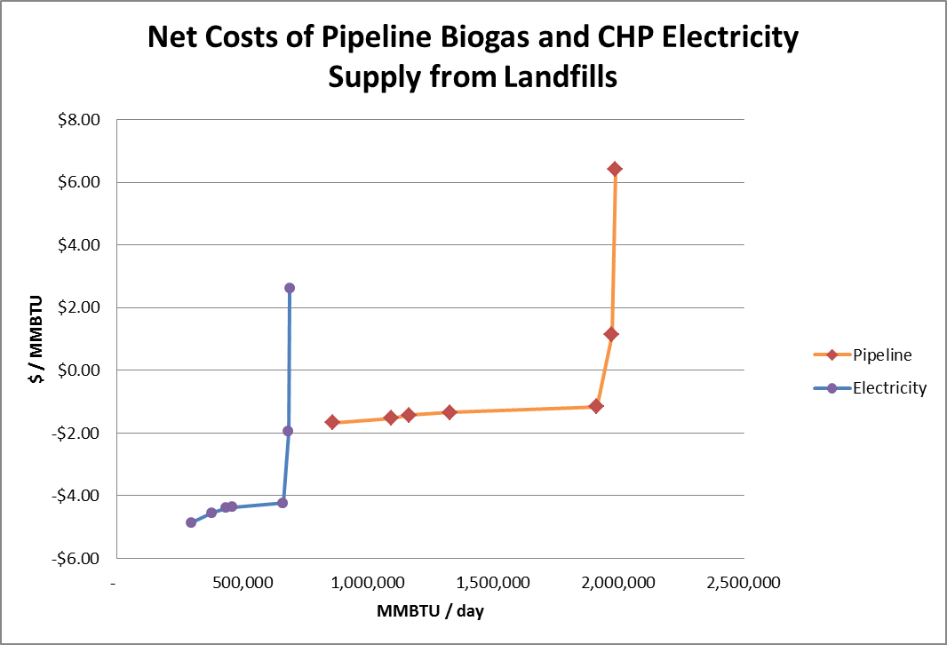
 | Debt Interest Rate as Pct | - | - | - | - | constant | Expected debt interest rate | pct/yr | 2 | 0-6 | Yes | No | No | BSM Model | 2% - from BSM; 6% - from LFGCost-Web, based on 5-yr average value of Moody Corporate AAA and BAA bond rates from 2008-2012; 5% - LFGCost-Web, recommended for facilities owned by municipalities, based on 5-yr average value of State and Local bond rates, from 2008-2012; 0% - for government owned facilities financed by the budget, rather than by bonds | Better citation? | LOW
 | elec conversion efficiency | - | - | - | - | constant | Efficiency of converting methane to electricity production. | unitless | 35% | 30-40% | Yes | No | No | Murray et al. 2014 |  | None
 | CNG conversion efficiency | - | - | - | - | constant | Efficiency of converting methane to CNG. | unitless | 99% | 98-100% | Yes | No | No | Ling Tao. |  | Citation? | LOW | Ling

behavioral graphical fns | frac potential to cand | inactive | small | - | - | arrayed graphical function | Scenario for potential landfills becoming candidate landfills | 1/yr | N/A |  | Yes | Yes | Yes | LMOP. 2015a | Used LMOP data to estimate an annual rate of potential landfills transitioning to candidate landfills. | Needs 2015 update | LOW | Ethan/Emily
 |  | inactive | large | - | -
 |  | active | small | - | -
 |  | active | large | - | -
 | frac cand to flare | inactive | small | - | - | arrayed graphical function | Scenario for candidate landfills adding flaring technology. | 1/yr | N/A |  | No | No |  | LMOP. 2015a and EPA. 2015a | Assumed that large landfills as classified EPA would be required to have flaring technology because of methane production levels. | Needs 2015 update | LOW | Ethan/Emily
 |  | inactive | large | - | -
 |  | active | small | - | -
 |  | active | large | - | -
 | frac cand to elec | x | x | - | - | arrayed graphical function | Relationship between NPV and candidate landfills to electricity | 1/yr | N/A |  | No | No |  | None |  | Steve needs to calibrate and fill in meta data here | MODERATE | Steve
 | frac cand to CNG | x | x | - | - | arrayed graphical function | Relationship between NPV and candidate landfills to CNG | 1/yr | N/A |  | No | No |  | None |  | Steve needs to calibrate and fill in meta data here | MODERATE | Steve
 | frac Flare to Elec | x | x | - | - | arrayed graphical function | Relationship between NPV and candidate landfills to electricity | 1/yr | N/A |  | No | No |  | None |  | Steve needs to calibrate and fill in meta data here | MODERATE | Steve
 | Frac Flare to CNG | x | x | - | - | arrayed graphical function | Relationship between NPV and candidate landfills to CNG | 1/yr | N/A |  | No | No |  | None |  | Steve needs to calibrate and fill in meta data here | MODERATE | Steve

Sales revenue generation | CNG Price Scenario | - | - | - | - | time dependent graphical function | unit price of CNG at landfill, before subsidy, before RIN | USD/m3 | N/A |  | Yes | Maybe? | Yes | DOE. 2015a |  | None
 | Elec Price Scenario | - | - | - | - | time dependent graphical function | unit price of Elec at landfill, before subsidy, before RIN | USD/kWh | N/A |  | Yes | Maybe? | Yes | EIA. 2015a |  | None
 | CNG Price Incentive | - | - | - | - | time dependent graphical function | Misc. CNG price incentives | USD/GJ | N/A |  | No | No | No | DOE. 2015b | Excise Tax Credit to the Seller of CNG or LNG (2006-2016+) is used, plus the Alternative Fuel Tax (2016+). | None
 | CNG RIN Scenario | - | - | - | - | time dependent graphical function | RIN price scenario | USD/GJ | N/A |  | Yes | No | No | None |  | Improve scenario? | LOW
 | Elec Price Incentive | - | - | - | - | time dependent graphical function | Misc. elec price incentives | USD/GJ | N/A |  | No | No | No | EPA 2015c and Informa Economics 2013 | Renewable Electricity Production Tax Credit (1992-2016+) (declining by 20% through 2020 is not used). Also includes renewable electricity credits (2000-2016+) | None
 | Elec RIN Scenario | - | - | - | - | time dependent graphical function | RIN price scenario | USD/GJ | N/A |  | Yes | No | No | None | Assuming electricity use for transportation | Improve scenario? | LOW
 | Frac of Elec for Trans | - | - | - | - | time dependent graphical function | Controls the effect of the electricity RIN based on electricity used for transportation | unitless | N/A |  |  |  |  | Placeholder |  | Needs Review | MODERATE | Team

Waste generation | population | - | - | - | - | graphical function | Population growth scenario | people | N/A |  | Yes | Yes | Yes | EPA. 2015b | See "US MSW and Pop" tab for the data. | None
 | per capita waste generation | - | - | - | - | graphical function | Per capita waste generation scenario | tonne/people | N/A |  | Yes | Maybe | Yes | EPA. 2015b | See "US MSW and Pop" tab for the data. | None
 | waste going to a landfill by size | - | small | - | - | arrayed graphical function | Scenario for waste going to large and small landfills | unitless | N/A |  | Yes | Yes | Maybe? | LMOP. 2015a |  | Add calculations to database | MODERATE | Ethan/Emily
 | waste going to a landfill by size | - | large | - | - |  |  |  | N/A
 | decomp mix | - | - | compostable | - | arrayed graphical function | Scenario for the composition of the waste. | unitless | N/A |  | Yes | Maybe | Yes | EPA. 2015b | See "Compostables" tab for the historic data. | Improve scenario? | LOW
 |  | - | - | other | - |  |  |  | N/A

other | Elec Coeffs | - | - | - | all var. | arrayed constant | used to line up arrays and keep units straight | unitless | N/A |  |  |  |  | N/A model structure |  | None
 | CNG Coeffs | - | - | - | all var. | arrayed constant | used to line up arrays and keep units straight | unitless | N/A |  |  |  |  | N/A model structure |  | None

